Instructions for Copying
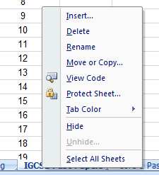
To copy a sheet from this file to another Excel file, open both files.
In this file, right click on the sheet you want to copy at the bottom of the page to get the menu shown, and click on "Move or Copy..."
This pop-up menu will appear. Select the other Excel document you want to add the sheet to, and choose where you want the sheet inserted. SELECT CREATE COPY!!!
Click OK, and it will be added in to your other spreadsheet.
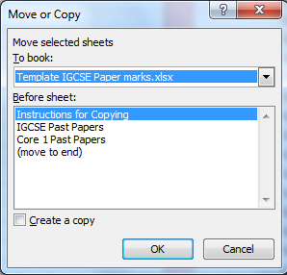

Once you have the sheet in your document, you can edit the names that you need, and delete any excess rows. Add a description of each question if required to remind yourself of what was being asked, and edit the total marks for each question (do not edit the total score, this is done automatically).
If you need to add more columns for extra questions, then select the whole column, right click and choose "Copy". Then right click again and select "Insert Copied Cells", to add a duplicate of the column you originally selected. Change the question number, description and marks as needed.
To use the sheet for recording marks in a test simply enter each pupils score for each question. Excel then totals their score for the whole test, and gives you a percentage, as well as giving totals for any sections.
In each column, full marks will be highlighted in a dark green, any particularly low marks compared to the rest of the class will go red, and higher marks will go green.
At the bottom of the scores, the statistics for the question are given. If the average mark is less than 50%, then this box will go orange to highlight this.

