Instructions for Copying
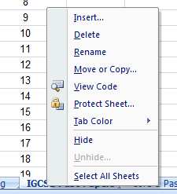
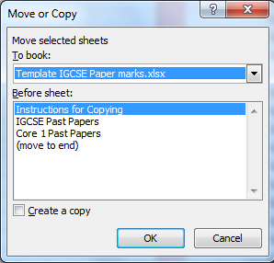

To copy a sheet from this file to another Excel file, open both files.
In this file, right click on the sheet you want to copy at the bottom of the page to get the menu shown, and click on "Move or Copy..."
This pop-up menu will appear. Select the other Excel document you want to add the sheet to, and choose where you want the sheet inserted. SELECT CREATE COPY!!!
Click OK, and it will be added in to your other spreadsheet.

Once you have the sheet in your document, you can edit the names that you need, and delete any excess rows.
To use the sheet for recording marks, simply enter the mark they get for each paper, and the spreadsheet will calculate the Grade using the exact grade boundaries (and also the total for both papers in the case of the IGCSE)
Use these buttons to jump to the module you want
IGCSE | Decision 1
Core 1 | Mech 1
Core 2 | Mech 2
Core 3 | Mech 3
Core 4 | FP1
Stats 1 | FP2
Stats 2 | FP3

